Use Case
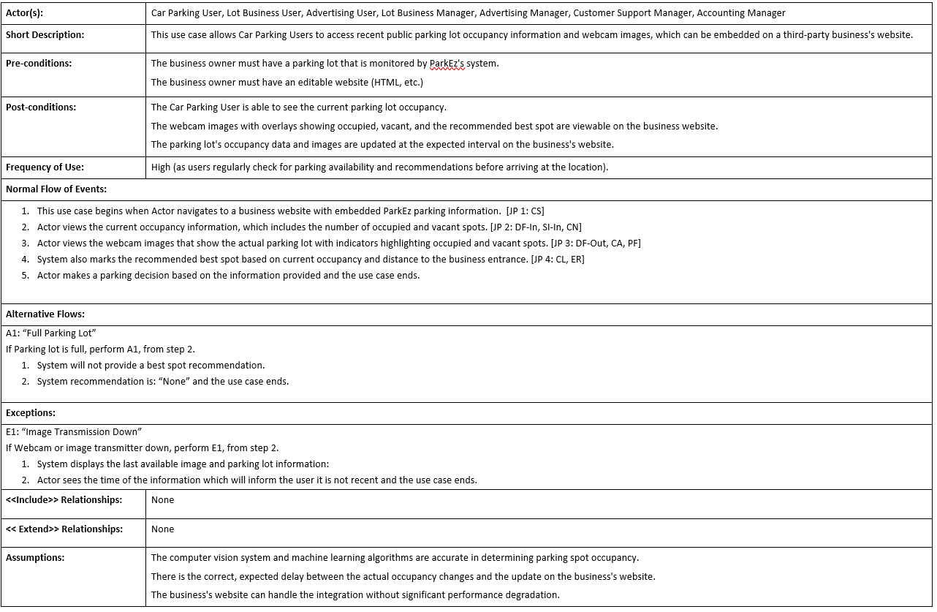

Application Screen
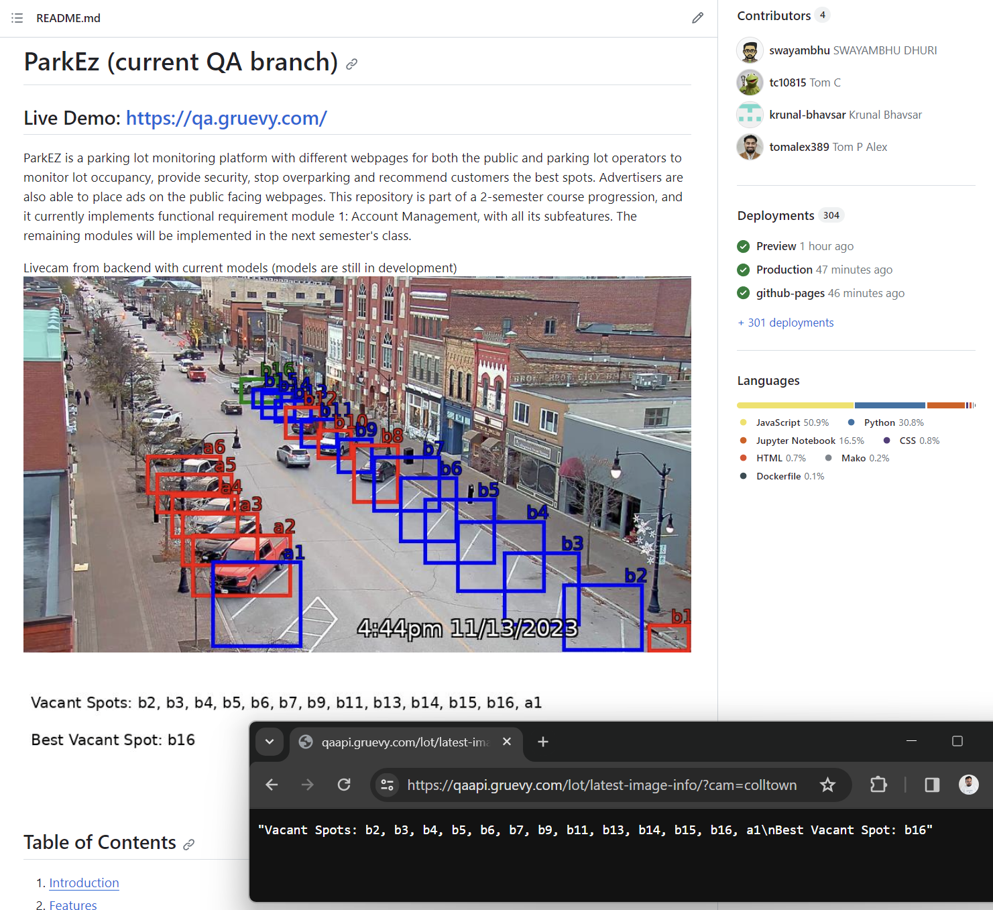
Note: This depicts live images on Github (an example of a 3rd party website); updated every 30 minutes directly from ParkEz's backend, where the image is automatically updated without manually updating the readme. (through Access Occupancy Remotely)

Access Occupancy Remotely backend is also shown in browser and can be used on any website with Javascript.

